TOTAL ORDER
VOLX CLIMBING
557 Les Saillants
69380 Chessy
Site internet : Volxholds - 1er Concepteur & Fabricant Français de Prises d'Escalade
 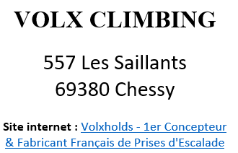 |  | 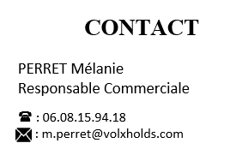 |  |  |  |  | 

TO KNOW : The screws are not included, please let us know during our talks if you need them. Shipping costs are not included in the "Total Order" price. Shipping costs are offered above 1500€ (including discount). *Duration of validity of the quote: 1 month |  |  |  | Hi, In this Excel file, you will find tabs ordered by range, or by material. Please fill in the columns for each tab (if necessary) by setting the quantity of SERIES you want. To find out about discounts, please contact us, or send us this document filled.

Order form Summary (in EUROS) : |  |  |  | Summary for holds and volumes (in QUANTITY) : |  |  |  | Discount (To be defined BY VOLX)

 | Total (EUROS) | Total (Including Discount) |  | Range/Brand | Number of holds | % |  | Range/Brand | %
VOLX - Holds PU | - € | - € |  | VOLX - Holds PU | 0 | 0% |  | % VOLX - Holds PU | 0%
VOLX - Holds PE | - € | - € |  | VOLX - Holds PE | 0 | 0% |  | % VOLX - Holds PE | 0%
VOLX - Holds Dual texture | - € | - € |  | VOLX - Holds Dual texture | 0 | 0% |  | % VOLX - Holds Dual texture | 0%
INSPIR - Holds PE PU | - € | - € |  | INSPIR - Holds PE PU | 0 | 0% |  | % INSPIR - Holds PE PU | 0%
SUBTOTAL HOLDS | - € | - € |  | SUBTOTAL HOLDS | 0 | 0%
VOLX - Wood volumes | - € | - € |  | VOLX - Wood volumes | 0 | 0% |  | % VOLX - Wood Volumes | 0%
SUBTOTAL VOLUMES | - € | - € |  | SUBTOTAL VOLUMES | 0 | 0%
IFSC Speed | - € | - € |  | IFSC Speed | 0 | 0% |  | % IFSC Speed | 0%
SUBTOTAL IFSC | - € | - € |  | SUBTOTAL IFSC | 0 | 0%
Total Order | - € | - € |  | Total Order | 0 | 0%

 | Overview by size

 | XS | S | M | L | XL | XXL | XXXL | TOTAL
 | 0 | 0 | 0 | 0 | 0 | 0 | 0 | 0
 | 0% | 0% | 0% | 0% | 0% | 0% | 0% | 0%

